Sheet1
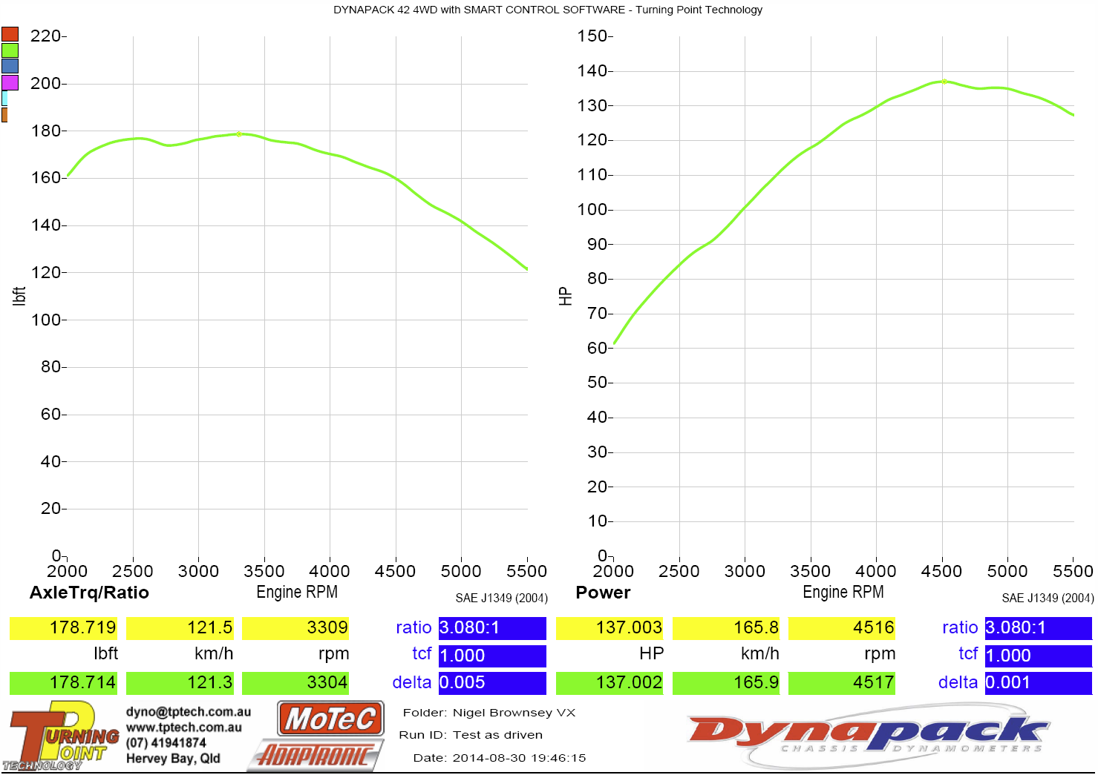
Dyno Chart
100% Flow LB/Hr: | 21.80 | 100% Flow CC/Min: | 229.00
Theoretical Max HP Per Injector | 44 | No Cylinders | 6.00
Theoretical Max HP All Injectors | 262 | Transmision Loss % | 20.00

RPM | INJ DC% | INJ Pulse ms | Approx HP | Trans Loss | HP After Trans Loss | Torque Ft.Lb
3000 | 41.00 | 16.40 | 107.3 | 21.5 | 85.8 | 150.2
3500 | 47.72 | 16.36 | 124.8 | 25.0 | 99.9 | 149.9
4000 | 56.57 | 16.97 | 148.0 | 29.6 | 118.4 | 155.4
4500 | 63.49 | 16.93 | 166.1 | 33.2 | 132.9 | 155.1
5000 | 67.79 | 16.27 | 177.3 | 35.5 | 141.9 | 149.0
5500 | 73.10 | 15.95 | 191.2 | 38.2 | 153.0 | 146.1
5800 | 72.50 | 15.00 | 189.7 | 37.9 | 151.7 | 137.4

