Sheet1
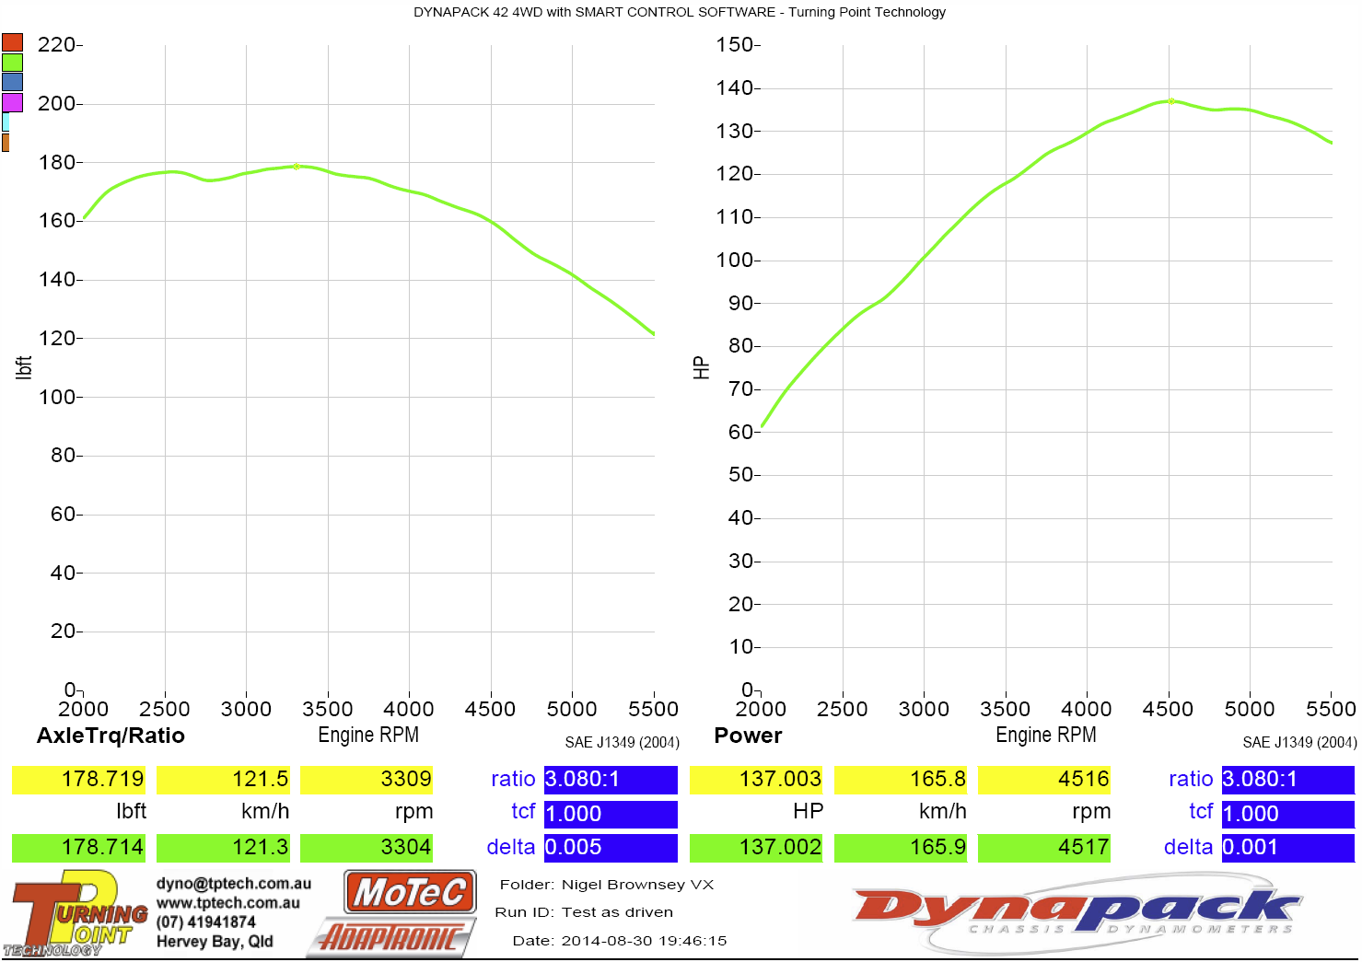
Dyno Chart
100% Flow LB/Hr: | 21.80 | 100% Flow CC/Min: | 229.00
Theoretical Max HP Per Injector | 44 | No Cylinders | 6.00
Theoretical Max HP All Injectors | 262 | Transmision Loss % | 20.00

RPM | INJ DC% | INJ Pulse ms | Approx HP | Trans Loss | HP After Trans Loss | Torque Ft.Lb | Before HP | Before Torque
3000 | 40.25 | 16.10 | 105.3 | 21.1 | 84.2 | 147.5 | 85.8 | 150.2
3500 | 48.80 | 16.73 | 127.7 | 25.5 | 102.1 | 153.2 | 99.9 | 149.9
4000 | 57.13 | 17.14 | 149.5 | 29.9 | 119.6 | 157.0 | 118.4 | 155.4
4500 | 64.54 | 17.21 | 168.8 | 33.8 | 135.1 | 157.6 | 132.9 | 155.1
5000 | 69.04 | 16.57 | 180.6 | 36.1 | 144.5 | 151.8 | 141.9 | 149.0
5500 | 72.78 | 15.88 | 190.4 | 38.1 | 152.3 | 145.5 | 153.0 | 146.1
5800 | 72.50 | 15.00 | 189.7 | 37.9 | 151.7 | 137.4 | 151.7 | 137.4

